TestSummary
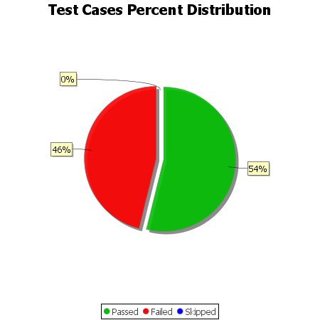
Total Test Cases | 13
Test Cases Passed | 7
Test Cases Failed | 6
Test Cases Skipped | 0

